Sheet1
Sl No | Reference/topic | Correction/Feedback | Status | Comments
1 |  | Change it to "Breadboard Consulting"
2 |  | Use the original logo given
3 |  | Contact and Get in Touch is repeated, keep 'get in touch', remove contact
4 |  | Repetitions everywhere, fix them.
5 |  | Home page, Delete this heading in the diagram. Check doc for the sturcture of this section. 1. Heading: Why Breadboard 2. Explaination 3. Diagram (Everything in one section)
6 |  | Remove this section from "About us" page
7 |  | In the footer, move social media icons to the right, under get in touch
8 |  | In Our Service page, Service 01, 02 - Not needed, remove them
9 |  | Home page, keep all the text in white
10 |  | Get in touch page, Remove "Schedule Consultation" button
11 |  | Get in touch page, Add "Schedule Consultation" as a heading above the form in the right., keep "Follow us" in the left
12 |  | Career Page, The sentance 'if these values..' should come after the values/
13 |  | Career Page, Remove 'get in touch' button
14 |  | Footer, Need to discuss/ Update: REMOVE THESE SECTIONS
15 |  | BBX, Incomplete the text on social media
16 |  | BBX, 1. Remove Bred's icon from the section headers, enalrge the small icons below and keep them 2. Remove explanation from all the sections 3. Each section should lead to a sepeare page when there is content. right now displaying 'coming soon' is fine
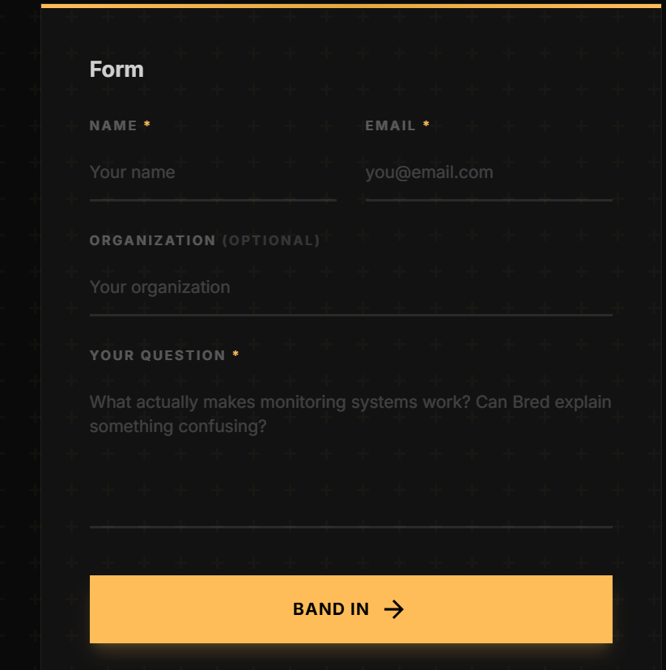 17 |  | BBX, 1. Remove "Form" 2. Replace 'band in' with 'SEND IN'
18 |  | BBX replace "i'm curious...' sentence with ' drop your question..' sentence
19 | Social media handles linking | Instagram: https://www.instagram.com/breadboard.in?igsh=cG9remlrMXpvMzQ3 X: https://x.com/breadboardindia?s=21 LinkedIn: https://www.linkedin.com/company/breadboard-india/ YouTube: https://www.youtube.com/@BreadboardConsulting Facebook: https://www.facebook.com/profile.php?id=61584892956215 Email for Get in Touch page: info@breadboard.in Email for receiving updates from website: Primary: info@breadboard.in 2nd email: meghanakumar57@gmail.com
20 | Adding, Mysuru in the footer
21 | Remove transparent numbers
22 | Add Email in Get in Touch page | info@breadboard.in
23 |  | Replace 'discuss this service' with 'enquire now'
 |  | in 2 places -

